Лист1
 |  | HONEY COMB New Opportunities for the Production of Comb Honey Our company devises and develops technology and equipment for the production of comb honey. Our latest design is a section (mini-frame) made from the wood of deciduous trees, making it completely ecologically clean. The aim of our company is to supply bee-keepers with everything they need to produce comb honey of the highest quality.
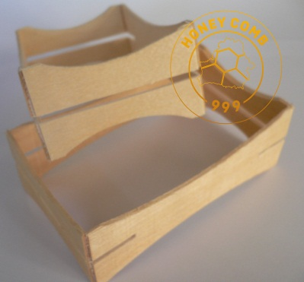 |  | Technical description Material: Birch Thickness: 2 (+-0,3) mm / 0,078 (+\-0,013) Inch Reported: steel bracket
№ | Picture | Dimensions (mm / inch) | Description | Applying | Price GBP\piece
 |  |  |  |  | 5 - 35 | 36 - 59 | 60 - 300 | 360 - 900 | 900 <
HC03 | 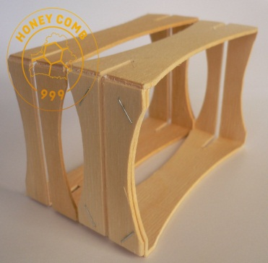 | 114X67X37 (+\-1) 4,5X2,65X1,46 (+\-0,035) | The section has grooves on both sides for mounting honeycombs. It supplied fully assembled without honeycombs. | English National frame for super accommodates 5 pcs. English traditional super holds 66 pieces. Langstroth super capacity of 80 pcs. It is also possible to use other hives. | 0.9 | 0.75 | 0.7 | 0.6 | specify
HC03\1 | 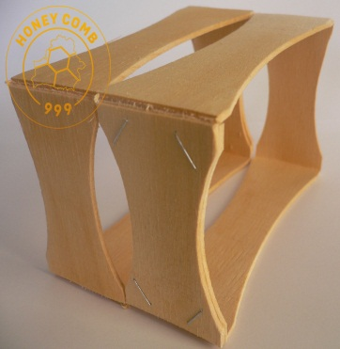 | 114X67X37 (+\-1) 4,5X2,65X1,46 (+\-0,035) | The Section does not have slots for mounting honeycombs. It supplied fully assembled without honeycombs. | English National frame for super accommodates 5 pcs. English traditional super holds 66 pieces. Langstroth super capacity of 80 pcs. It is also possible to use other hives. | 0.9 | 0.65 | 0.6 | 0.5 | specify
HC01\C | 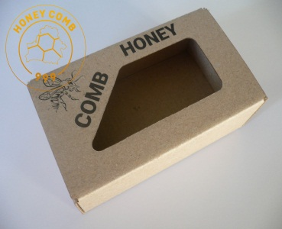 | 125X75X45 4,95X2,95X1,77 | Self-assembling box made of cardboard. It shipped unassembled. | Designed for packaging a honeycomb in the sections HC03 and HC03 \ 1. | 0.35 | 0.32 | 0.31 | 0.27 | specify
№ | Picture | Dimensions (mm / inch) | Description | Applying | Price GBP\piece
 |  |  |  |  | 1 - 5 | 6 - 20 | 21 - 40 | 40<
HC01\F | 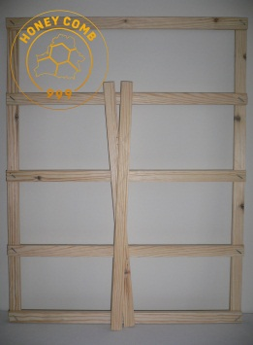 | 462X369X12 18,19X14,5X0,47 | Support grid for super Langstroth hive. | Designed for installation in super relied on section. | 4,50 | 4,20 | 4,00 | specify
HC02\F | 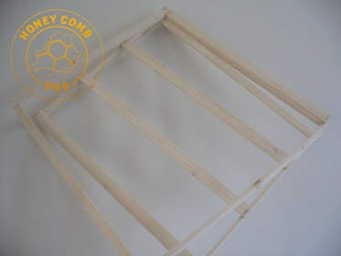 |  | The support frame for the super National English hive. | Designed for installation in super relied on section. | 5.8 | 5,50 | 5,30
We also develop and manufacture the packaging of individual sizes and designs.
Our contact details Tel.: 07341 940518 Email: honey999comb@gmail,com Skype: honey999comb FB group: https://www.facebook.com/groups/1593662507556245/ YouTube channel: https://www.youtube.com/channel/UCLimSJNzXacOi4vnjnxJHMg

